Copy of 2022 Data analysis, Sta
Data analysis, Statistics, and Probability
Question description | Question | Solution | Score and Description | Sample Responses | Incorrect answer - Student Response | Grade | Year | Block | Type | Difficulty | Percentage | Item Performance
Determine whether different survey methods produce random samples | Mr. Tong wants to conduct a survey to see which method students in a school use most to communicate with their peers. He wants to select a random sample of students from the school with a sample size of 50 students. Determine whether each of the following survey methods would produce a random sample. Make One selection for each survey method to show your answer. Survey Methods: Select 50 names at random out of a box that contains the names of all the students in the school. Select 50 names at random from the first 100 students who arrive at school in the morning. Select 50 names at random from the first of three school lunch periods. |  |  | No student responses are available for this question. |  | 8 | 2022 | 8M1 | SR (Selected Response) | Hard | Correct: 33% Incorrect: 66% Omitted: rounds to zero Off task: rounds to zero

Create a circle graph from a table and solve a problem using the data |  |  | Correct: Both parts correct Partial 1: Part (a) correct only Partial 2: Part (b) correct only | Correct - Student Response 1 and 2: | Incorrect - Student Response | 8 | 2022 | 8M1 | SCR (Short Constructed Response) | Medium | Correct: 8% Incorrect: 9% Partial A: 82% Partial B: rounds to zero Omitted: rounds to zero Off task: rounds to zero
 |  |  |  | 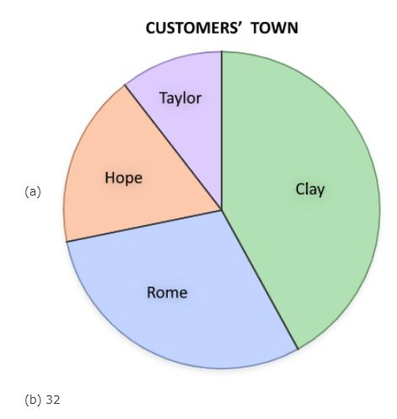 | 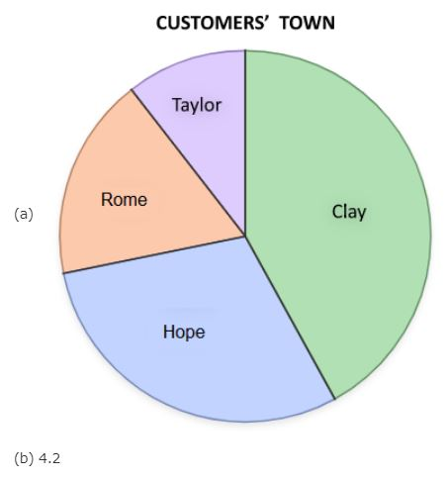
 |  |  |  | 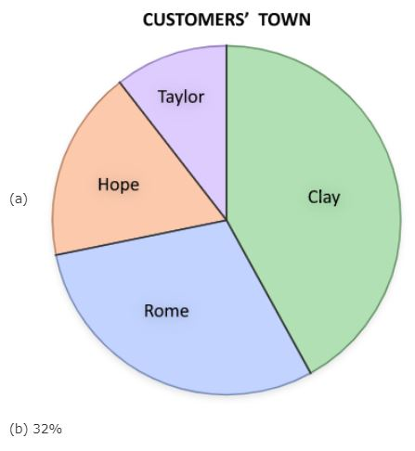 | 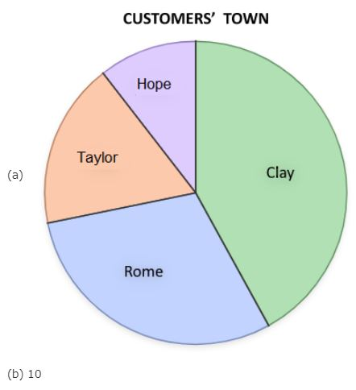
 |  |  |  | These correct responses show a correctly labeled circle graph for part (a) and a correct answer of 32 percent for part (b). | These incorrect responses show an incorrectly labeled circle graph for part (a) and an answer other than 32 percent for part (b).
 |  |  |  | Partial 1 - Student Response 1 and 2:
 |  |  |  | 
 |  |  |  | 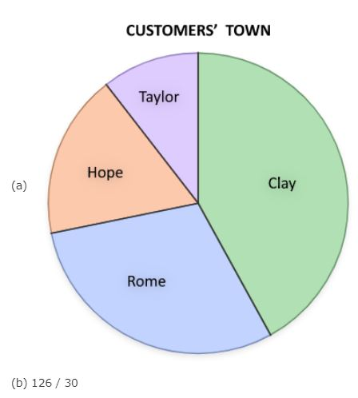
 |  |  |  | These partially correct responses show a correctly labeled circle graph for part (a) and an answer other than 32 percent for part (b).
 |  |  |  | Partial 2 - Student Response 1 and 2
 |  |  |  | 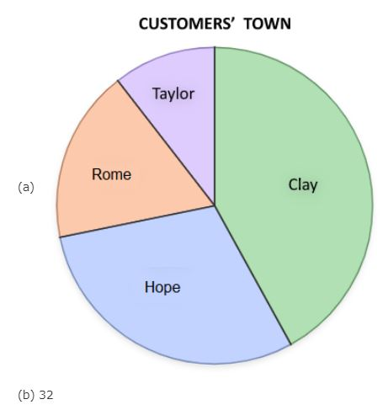
 |  |  |  | 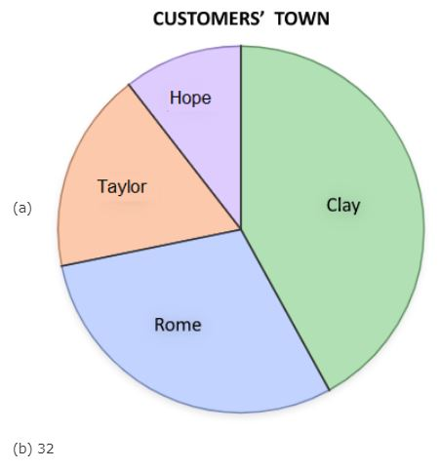
 |  |  |  | These partially correct responses show an incorrectly labeled circle graph for part (a) and a correct answer of 32 percent for part (b).

Determine which statistic a new data point does not affect | At beginning of a book club meeting, each member reported the total time, in minutes, spent reading on Saturday, shown in the list. 80, 80, 90, 100, 120, 160 One member arrived late and reported that he read a total of 240 minutes on Saturday. Which of the following statistics about the time the book club members spent reading on Saturday did NOT change after the last member arrived? A. Maximum. B. Mean. C. Median D. Mode E. Range | The correct answer is: D. Mode |  |  |  | 8 | 2022 | 8M1 | SR (Selected Response) | Hard | A: 16% B: 16% C: 25% D: 29% (correct) E: 12% Omitted: 1%

Interpret a line of best fit and use it to make a prediction | 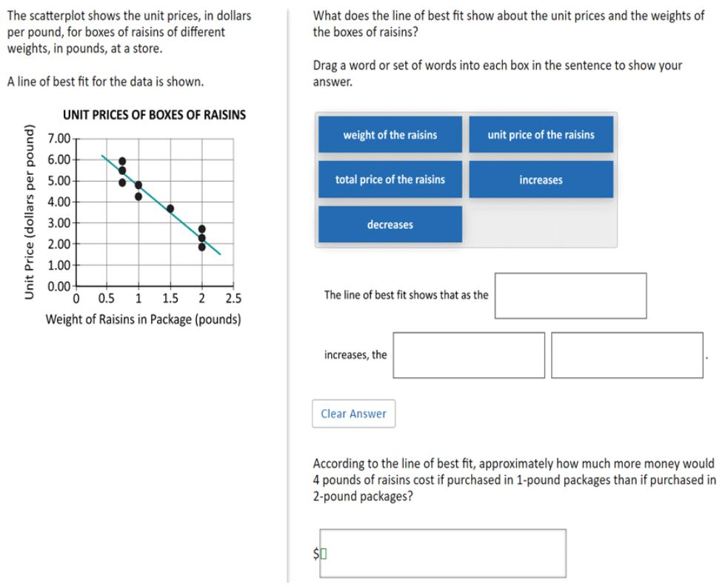 | 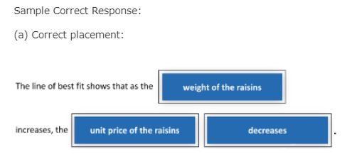 | Correct: Both parts correct Partial 1: Part (a) correct only Partial 2: Part (b) correct only | Correct - Student Response 1: (a) The line of best fit shows that as the weight of the raisins increases the unit price of the raisins decreases. (b) 9.00 Correct - Student Response 2: (a) The line of best fit shows that as the weight of the raisins increases the unit price of the raisins decreases. (b) 10.60 These correct responses each include a correctly completed sentence for part (a) and an acceptable value (between $8 and $12, exclusive) for part (b). Partial 1 - Student Response 1: (a) The line of best fit shows that as the weight of the raisins increases the unit price of the raisins decreases. (b) 13.60 Partial 1 - Student Response 2: (a) The line of best fit shows that as the weight of the raisins increases the unit price of the raisins decreases. (b) 12 These partially correct responses each include a correctly completed sentence for part (a) and an unacceptable value for part (b). Partial 2 - Student Response 1: (a) The line of best fit shows that as the weight of the raisins increases the total price of the raisins decreases. (b) 12.50 Partial 2 - Student Response 2: (a) The line of best fit shows that as the weight of the raisins increases the total price of the raisins increases. (b) 8.00 These partially correct responses each include an incorrectly completed sentence for part (a) and an acceptable value (between $8 and $12, exclusive) for part (b). | Incorrect: Incorrect response Incorrect - Student Response 1: (a) The line of best fit shows that as the weight of the raisins increases the total price of the raisins decreases. (b) 12.50 Incorrect - Student Response 2: (a) The line of best fit shows that as the weight of the raisins increases the total price of the raisins increases. (b) 8.00 These incorrect responses each include an incorrectly completed sentence for part (a) and an unacceptable value for part (b). | 8 | 2022 | 8M1 | SCR (Short Constructed Response) | Hard | Correct: 2% Incorrect: 61% Partial A: 32% Partial B: 4% Omitted: 2% Off task: rounds to zero
 |  | (b) Answer: $9.40 (accept answers between $8 and $12 exclusive) Solution (not required in response): The approximate price of raisins in 1-pound packages is $4.75 per pound. You need 4 pounds at this price so the total price will be 4 x $4.75 = $19. The approximate price of raisins in 2-pound packages is $2.40 per pound. You need 4 pounds at that price so the total price will be 4 x $2.40 = $9.60. The 1-pound packages will be $19 - $9.60 = $9.40 more expensive.

Select the graph that best represents the given data | 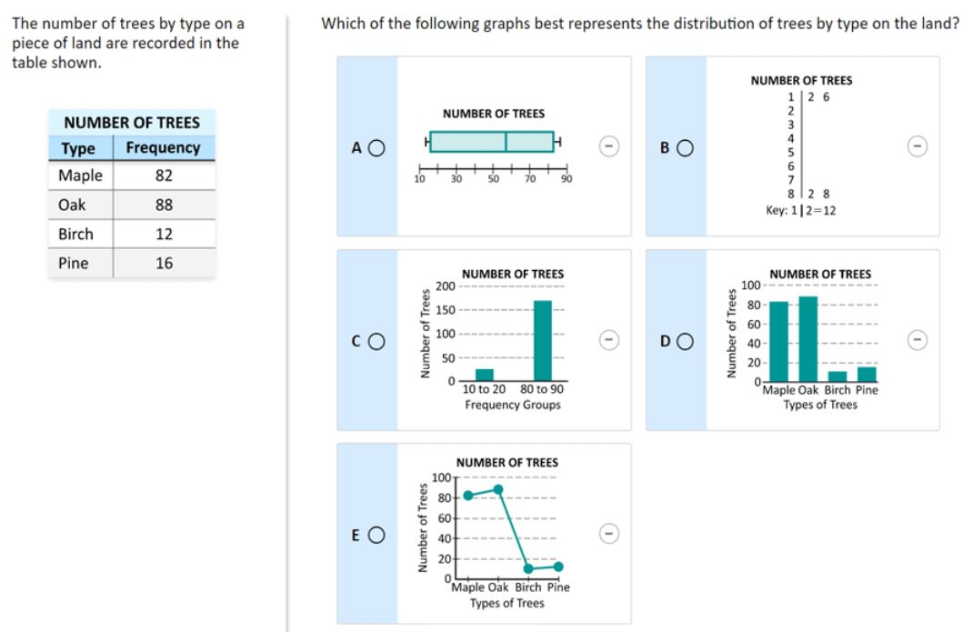 | 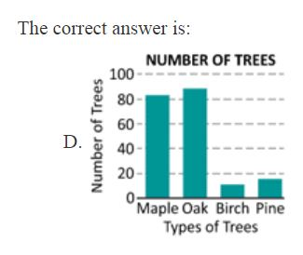 |  |  |  | 8 | 2022 | 8M1 | SR (Selected Response) | Easy | A: 3% B: 2% C: 6% D: 76% (correct) E: 12% Omitted: rounds to zero

